indices

 | Iraq Stock Exchange
 | Bulletin No (56)

 | ISX Trading Indices of Thursday 27/3/2025

 | Traded Volume and OTC |  | 330,837,961 |  | Traded Value and OTC |  | 744,266,666 |  | Traders | 382
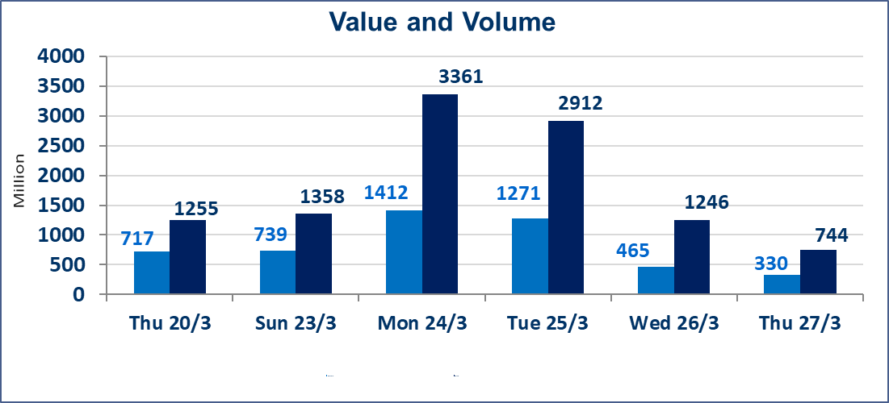
 | ISX Index 60 |  |  | 1009.42 | ISX Index 15 |  |  | 1102.69
 | Previous ISX Index60 |  |  | 1005.84 | Previous ISX Index15 |  |  | 1099.75
 | Change % |  |  | 0.36 | Change % |  |  | 0.27
 | Change |  |  | 3.58 | Change |  |  | 2.94

 | Listed Companies | 104 | OTC | 11 | Non Traded listed | 63 | OTC | 5
 | Traded Listed Companies | 29 | OTC | 1 | Higher Companies |  |  | 10
 | GAM Companies |  |  | 4 | Lower Companies |  |  | 4
 | Suspended Companies |  |  | 8
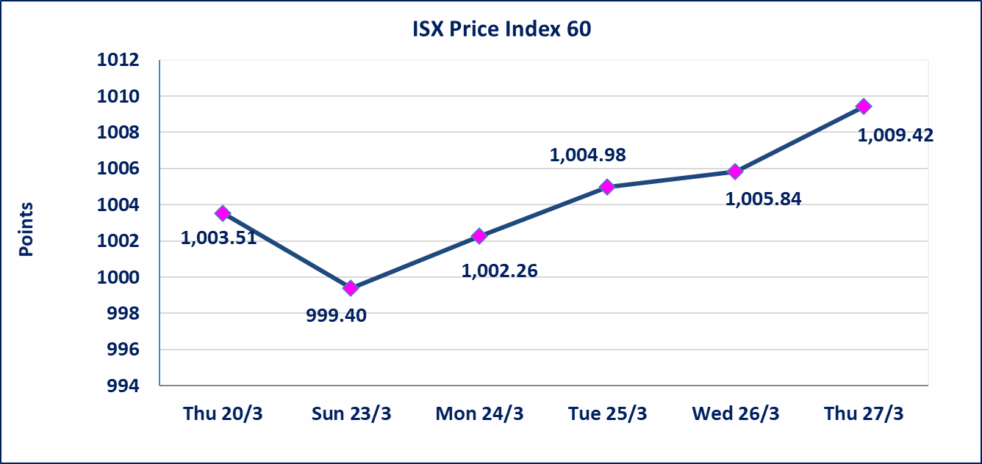
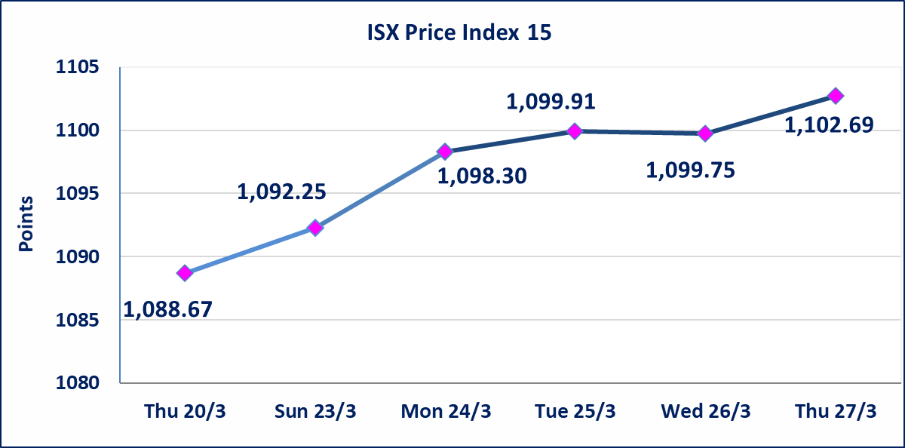

Al-Alwiya P.O . 3607 Mobile: 07711211522 - 07270094594 - 07834000034 E-mail: info-isx@isx-iq.net Web site:www.isx-iq.net

top 5
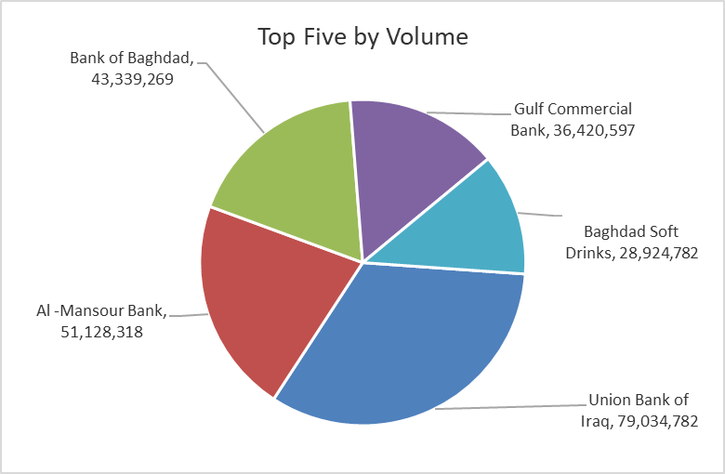
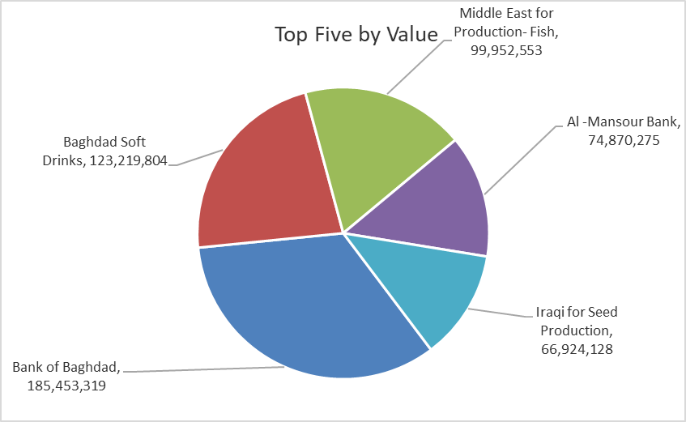
ISX top ganing and losing companies
Thursday 27/3/2025
Gainers |  |  |  | Losers
Company Name | Closing Price | Change (%) | Traded Volume | Company Name | Closing Price | Change (%) | Traded Volume
Mosul Bank For Investment | 0.170 | 6.25 | 2,002,000 | Modern Sewing | 9.000 | -7.69 | 1,997,784
Al-Khatem Telecoms | 2.400 | 4.35 | 127,947 | Baghdad -Iraq Transportation | 37.000 | -4.29 | 727,899
Iraqi Carton Manufactories | 1.350 | 3.85 | 117,848 | Ishtar Hotel | 9.200 | -2.13 | 106,344
Al-Mansour Pharmaceuticals | 2.540 | 3.25 | 17,289,000 | Al-Ameen for Insurance | 0.790 | -1.25 | 3,230
National Chemical &Plastic | 2.290 | 1.78 | 7,935,000

The most active companies in term of traded volume and value

Traded Volume |  |  |  | Traded Value
Company Name | Closing Price | Change (%) | Traded Volume | Company Name | Closing Price | Change (%) | Traded Value
Union Bank of Iraq | 0.080 | 0.00 | 79,034,782 | Bank of Baghdad | 4.290 | 0.47 | 185,453,319
Al -Mansour Bank | 1.470 | 0.00 | 51,128,318 | Baghdad Soft Drinks | 4.260 | 0.00 | 123,219,804
Bank of Baghdad | 4.290 | 0.47 | 43,339,269 | Middle East for Production- Fish | 7.500 | 0.00 | 99,952,553
Gulf Commercial Bank | 0.430 | 0.00 | 36,420,597 | Al -Mansour Bank | 1.470 | 0.00 | 74,870,275
Baghdad Soft Drinks | 4.260 | 0.00 | 28,924,782 | Iraqi for Seed Production | 7.270 | 0.14 | 66,924,128

non iraq

Iraq Stock Exchange
Non Iraqis' Bulletin Thursday March 27 2025
Regular Market

Non Iraqi Trading of Regular Market (Buy)
Company Names | Code | No.of trades | Traded Shares | Trading Volume
Banks Sector
Bank Of Baghdad | BBOB | 17 | 10,033,000 | 43,040,910
Total Bank sector |  | 17 | 10,033,000 | 43,040,910
Grand Total |  | 17 | 10033000 | 43040910

Non Iraqi Trading of Regular Market (Sell)
Company Names | Code | No.of trades | Traded Shares | Trading Volume
Banks Sector
Bank Of Baghdad | BBOB | 9 | 3,200,000 | 13,660,000
Total Bank sector |  | 9 | 3,200,000 | 13,660,000
Grand Total |  | 9 | 3200000 | 13660000

OTC

Iraq Stock Exchange

Thursday 27/3/2025

OTC Platform Trading Bulletin
Company Name | Code | highest price | lowest price | Average price | No.of Trades | Traded Volume | Traded Value
Banks Sector
Al-Warka Bank | BWAI | 0.170 | 0.170 | 0.170 | 4 | 14,471,238 | 2,460,110
Total Of Banks Sector |  |  |  |  | 4 | 14,471,238 | 2,460,110
Total |  |  |  |  | 4 | 14,471,238 | 2,460,110

Not Trading OTC Companies
Company Name |  |  | Code |  | Previous Average price
Banks Sector
Al-Sanam Islamic Bank |  |  | BSAN |  | ـــــــــــــــــــــــــــــــــــ
Money Service Sector
Ishtar Gate for e-Paymant |  |  | FISH |  | 1.000
Rabee Securities |  |  | FRSE |  | 11.000
Karmal Brokerage |  |  | FKSX |  | 10.000

